Perbaikan
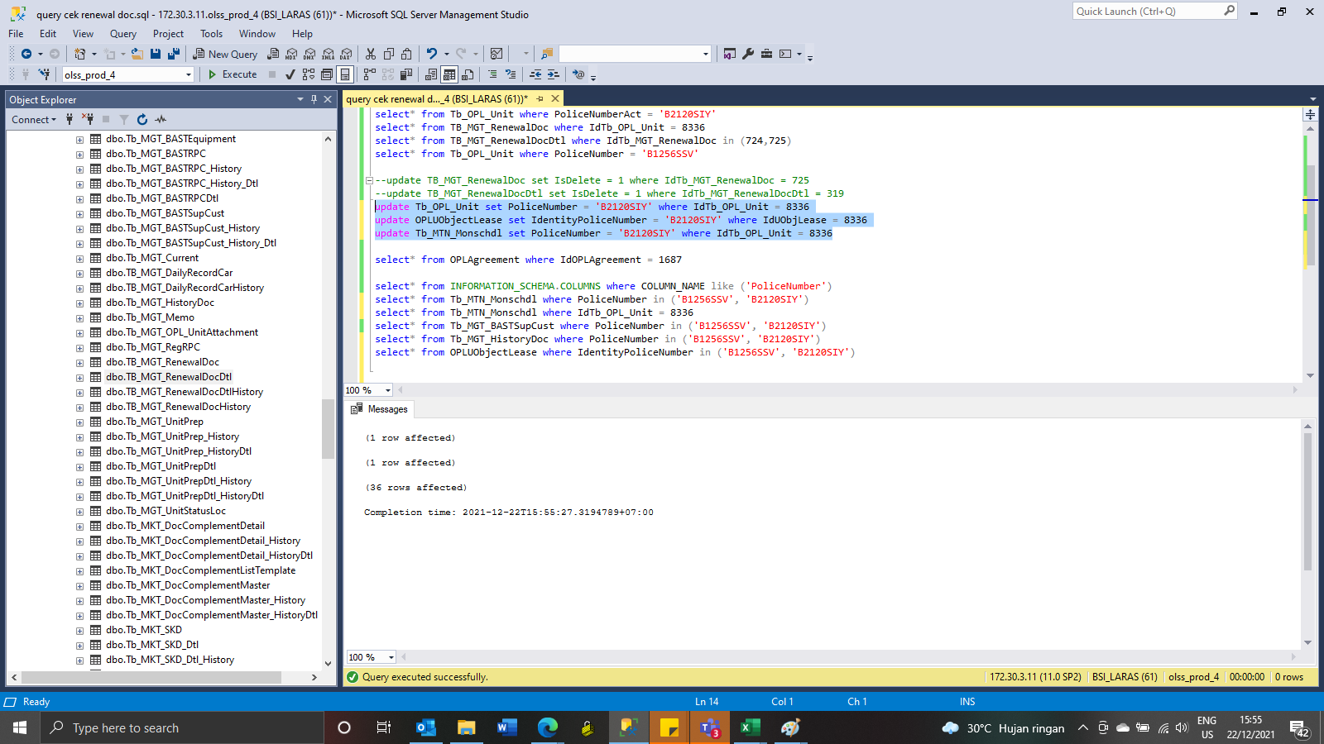
TB_MGT_RenewalDoc

BEFORE
IdTb_MGT_RenewalDoc | IdOPLAgreement | IdTb_OPL_Unit | TotalBudget | RemainingBudget | IsDelete | Remark | RemarksSys | CreatedBy | CreatedDate | LastUpdatedBy | LastUpdatedDate
724 | 1687 | 8336 | 17700000 | -258583 | 0 | NULL | NULL | Nada Kristiani | 2020-12-01 10:21:04 | Erni.Yesie | 2021-12-22 14:46:47
725 | 1687 | 8336 | 17700000 | 13203939 | 0 | NULL | NULL | Nada Kristiani | 2020-12-01 10:21:06 | NULL | NULL

TB_MGT_RenewalDocDtl
IdTb_MGT_RenewalDocDtl | IdTb_MGT_RenewalDoc | Type | StartDate | EndDate | IdSupplier | InvoiceNumber | TaxAmount | Fee | Penalty | Ppn | Pph | Others | Total | IsDelete | IsValid | Remark | RemarksSys | CreatedBy | CreatedDate | LastUpdatedBy | LastUpdatedDate
3198 | 724 | 205 | 2021-01-17 00:00:00 | 2022-01-17 00:00:00 | 0 | NULL | 4343000 | 153061 | 0 | 0 | 0 | 0 | 4496061 | 0 | 0 | NULL | NULL | Nada Kristiani | 2020-12-01 10:21:04 | Erni.Yesie | 2021-12-22 14:46:47
3199 | 725 | 205 | 2021-01-17 00:00:00 | 2022-01-17 00:00:00 | 0 | NULL | 4343000 | 153061 | 0 | 0 | 0 | 0 | 4496061 | 0 | 0 | NULL | NULL | Nada Kristiani | 2020-12-01 10:21:06 | NULL | NULL
3200 | 724 | 205 | 2021-01-11 00:00:00 | 2022-01-11 00:00:00 | 0 | NULL | 4343000 | 153061 | 0 | 0 | 0 | 0 | 4496061 | 0 | 0 | NULL | NULL | Nada Kristiani | 2020-12-01 10:24:28 | NULL | NULL
3201 | 724 | 205 | 2021-01-11 00:00:00 | 2022-01-11 00:00:00 | 0 | NULL | 4343000 | 153061 | 0 | 0 | 0 | 0 | 4496061 | 0 | 0 | NULL | NULL | Nada Kristiani | 2020-12-01 10:24:30 | NULL | NULL
7424 | 724 | 205 | 2022-01-11 00:00:00 | 2023-01-11 00:00:00 | 0 | INV/BA-HO/XII/543 | 4343000 | 130000 | 0 | 0 | 2600 | 0 | 4470400 | 0 | 0 | BISA AJA | NULL | Erni.Yesie | 2021-12-22 14:35:00 | Erni.Yesie | 2021-12-22 14:35:00

update TB_MGT_RenewalDoc set IsDelete = 1 where IdTb_MGT_RenewalDoc = 725
update TB_MGT_RenewalDocDtl set IsDelete = 1 where IdTb_MGT_RenewalDocDtl = 3199
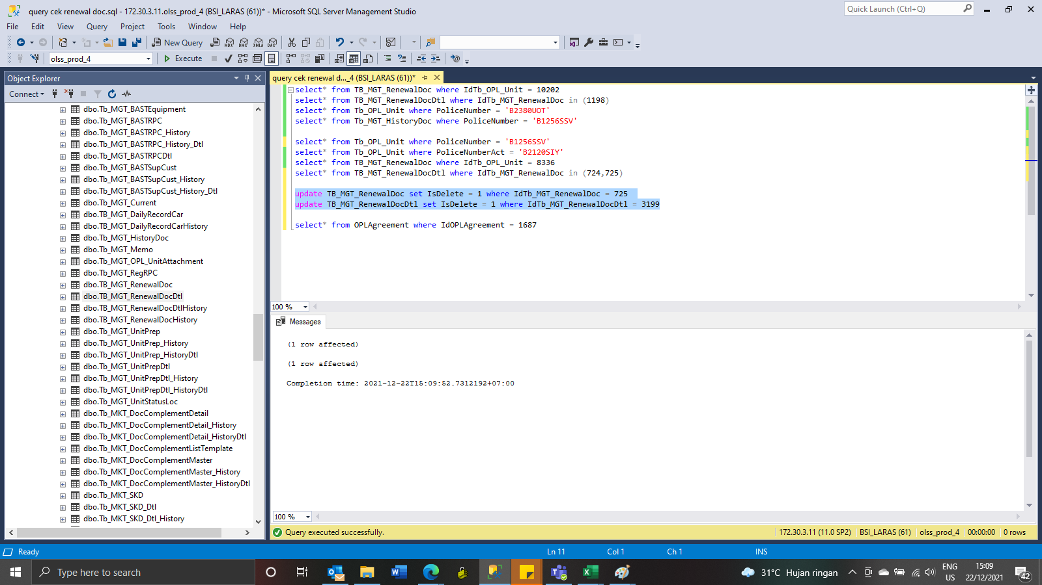

Tb_OPL_Unit
BEFORE
IdTb_OPL_Unit | IdProduct | PoliceNumber | PoliceNumberAct | EngineNumber | ChassisNumber | Colour | IsOPL | IsSTNK | StartSTNK | EndSTNK | StartKEUR | EndKEUR | StartInsurance | EndInsurance | CompanyInsurance | InsuranceNumber | SPPANumber | ProgressStatus | ProgressKeur | IsDelete | RemarksSys | CreatedBy | CreatedDate | LastModifiedBy | LastModifiedDate | ColorPlat
8336 | 1209 | B1256SSV | B2120SIY | 4A91HB0994 | MK2NCWTARKJ022708 | PUTIH | 1 | 1 | 2020-01-11 | 2021-01-11 | NULL | NULL | 2020-01-08 | 2023-02-08 | TOKIO MARINE | TMD/AORF/19-A | NULL | 8 | NULL | 0 | S0190407 | Pathul Wadi | 2020-01-13 10:07:47 | Junaidi Didy | 2020-04-24 13:42:07 | NULL

AFTER
IdTb_OPL_Unit | IdProduct | PoliceNumber | PoliceNumberAct | EngineNumber | ChassisNumber | Colour | IsOPL | IsSTNK | StartSTNK | EndSTNK | StartKEUR | EndKEUR | StartInsurance | EndInsurance | CompanyInsurance | InsuranceNumber | SPPANumber | ProgressStatus | ProgressKeur | IsDelete | RemarksSys | CreatedBy | CreatedDate | LastModifiedBy | LastModifiedDate | ColorPlat
8336 | 1209 | B2120SIY | B2120SIY | 4A91HB0994 | MK2NCWTARKJ022708 | PUTIH | 1 | 1 | 2020-01-11 | 2021-01-11 | NULL | NULL | 2020-01-08 | 2023-02-08 | TOKIO MARINE | TMD/AORF/19-A | NULL | 8 | NULL | 0 | S0190407 | Pathul Wadi | 2020-01-13 10:07:47 | Junaidi Didy | 2020-04-24 13:42:07 | NULL

OPLUObjectLease
BEFORE
IdUObjLease | IdOPLAgreement | AgreementNumber | IdentityPoliceNumber | EngineNumber | Remarks | Accessories | Carroserrie | IdTb_OPL_Unit | IsDelete | RemarksSys | CreatedBy | CreatedDate | LastModifiedBy | LastModifiedDate
8594 | 1687 | 0000302/4/10/12/2019 | B1256SSV | 4A91HB0994 | NULL |  |  | 8336 | 0 | S0190407 | Pathul Wadi | 2020-01-13 10:07:47 | Pathul Wadi | 2020-01-13 10:07:47

AFTER
IdUObjLease | IdOPLAgreement | AgreementNumber | IdentityPoliceNumber | EngineNumber | Remarks | Accessories | Carroserrie | IdTb_OPL_Unit | IsDelete | RemarksSys | CreatedBy | CreatedDate | LastModifiedBy | LastModifiedDate
8594 | 1687 | 0000302/4/10/12/2019 | B2120SIY | 4A91HB0994 | NULL |  |  | 8336 | 0 | S0190407 | Pathul Wadi | 2020-01-13 10:07:47 | Pathul Wadi | 2020-01-13 10:07:47

Tb_MTN_Monschdl
BEFORE
IdTb_MTN_Monschdl | IdTb_OPL_Branch | IdTb_OPL_Unit | IsOPL | AgreementNumber | PoliceNumber | MaintenanceType | MaintenanceCategory | EndContractDate | LastServiceDate | KM | ActualKM | ScheduleDate | MaintenanceBudget | IsOverdue | IsConfirmation | ChooseConfirmDate | ScheduleReqDate | IdSupplier | Workshop | WorkshopLocation | IsWorkshop | StartDate | EndDate | IsDelete | RemarksSys | CreatedBy | CreatedDate | LastModifiedBy | LastModifiedDate
176588 | 11 | 8336 | 1 | 0000302/4/10/12/2019 | B1256SSV | 91 | 183 | 2023-01-08 00:00:00 | NULL | 50 | 0 | 2020-01-08 00:00:00 | 0 | 0 | 0 | NULL | NULL | NULL | NULL | NULL | 0 | NULL | NULL | 0 | NULL | Pathul Wadi | 2020-01-13 10:07:47 | NULL | NULL
176589 | 11 | 8336 | 1 | 0000302/4/10/12/2019 | B1256SSV | 91 | 183 | 2023-01-08 00:00:00 | NULL | 50 | 0 | 2020-02-08 00:00:00 | 0 | 0 | 0 | NULL | NULL | NULL | NULL | NULL | 0 | NULL | NULL | 0 | NULL | Pathul Wadi | 2020-01-13 10:07:47 | NULL | NULL
176590 | 11 | 8336 | 1 | 0000302/4/10/12/2019 | B1256SSV | 91 | 183 | 2023-01-08 00:00:00 | NULL | 50 | 0 | 2020-03-08 00:00:00 | 0 | 0 | 0 | NULL | NULL | NULL | NULL | NULL | 0 | NULL | NULL | 0 | NULL | Pathul Wadi | 2020-01-13 10:07:47 | NULL | NULL
176591 | 11 | 8336 | 1 | 0000302/4/10/12/2019 | B1256SSV | 91 | 184 | 2023-01-08 00:00:00 | NULL | 50 | 6366 | 2020-04-06 00:00:00 | 1096950 | 0 | 1 | 2020-04-06 00:00:00 | 2020-04-06 00:00:00 | 5356 | PT.REEFCONINDO CEMERLANG INTI ( EXPRESS TYRE ) | Jakarta | 1 | 2020-04-06 00:00:00 | 2020-04-06 00:00:00 | 0 | NULL | Pathul Wadi | 2020-01-13 10:07:47 | Junaidi Didy | 2020-04-24 13:46:01
176592 | 11 | 8336 | 1 | 0000302/4/10/12/2019 | B1256SSV | 91 | 183 | 2023-01-08 00:00:00 | NULL | 50 | 0 | 2020-05-08 00:00:00 | 0 | 0 | 0 | NULL | NULL | NULL | NULL | NULL | 0 | NULL | NULL | 0 | NULL | Pathul Wadi | 2020-01-13 10:07:47 | NULL | NULL
176593 | 11 | 8336 | 1 | 0000302/4/10/12/2019 | B1256SSV | 91 | 183 | 2023-01-08 00:00:00 | NULL | 50 | 0 | 2020-06-08 00:00:00 | 0 | 0 | 0 | NULL | NULL | NULL | NULL | NULL | 0 | NULL | NULL | 0 | NULL | Pathul Wadi | 2020-01-13 10:07:47 | NULL | NULL
176594 | 11 | 8336 | 1 | 0000302/4/10/12/2019 | B1256SSV | 91 | 183 | 2023-01-08 00:00:00 | NULL | 50 | 0 | 2020-07-08 00:00:00 | 0 | 0 | 0 | NULL | NULL | NULL | NULL | NULL | 0 | NULL | NULL | 0 | NULL | Pathul Wadi | 2020-01-13 10:07:47 | NULL | NULL
176595 | 11 | 8336 | 1 | 0000302/4/10/12/2019 | B1256SSV | 91 | 183 | 2023-01-08 00:00:00 | NULL | 50 | 0 | 2020-08-08 00:00:00 | 0 | 0 | 0 | NULL | NULL | NULL | NULL | NULL | 0 | NULL | NULL | 0 | NULL | Pathul Wadi | 2020-01-13 10:07:47 | NULL | NULL
176596 | 11 | 8336 | 1 | 0000302/4/10/12/2019 | B1256SSV | 91 | 183 | 2023-01-08 00:00:00 | NULL | 50 | 0 | 2020-09-08 00:00:00 | 0 | 0 | 0 | NULL | NULL | NULL | NULL | NULL | 0 | NULL | NULL | 0 | NULL | Pathul Wadi | 2020-01-13 10:07:47 | NULL | NULL
176597 | 11 | 8336 | 1 | 0000302/4/10/12/2019 | B1256SSV | 91 | 183 | 2023-01-08 00:00:00 | NULL | 50 | 0 | 2020-10-08 00:00:00 | 0 | 0 | 0 | NULL | NULL | NULL | NULL | NULL | 0 | NULL | NULL | 0 | NULL | Pathul Wadi | 2020-01-13 10:07:47 | NULL | NULL
176598 | 11 | 8336 | 1 | 0000302/4/10/12/2019 | B1256SSV | 91 | 183 | 2023-01-08 00:00:00 | NULL | 50 | 0 | 2020-11-08 00:00:00 | 0 | 0 | 0 | NULL | NULL | NULL | NULL | NULL | 0 | NULL | NULL | 0 | NULL | Pathul Wadi | 2020-01-13 10:07:47 | NULL | NULL
176599 | 11 | 8336 | 1 | 0000302/4/10/12/2019 | B1256SSV | 91 | 183 | 2023-01-08 00:00:00 | NULL | 50 | 0 | 2020-12-08 00:00:00 | 0 | 0 | 0 | NULL | NULL | NULL | NULL | NULL | 0 | NULL | NULL | 0 | NULL | Pathul Wadi | 2020-01-13 10:07:47 | NULL | NULL
176600 | 11 | 8336 | 1 | 0000302/4/10/12/2019 | B1256SSV | 91 | 183 | 2023-01-08 00:00:00 | NULL | 50 | 0 | 2021-01-08 00:00:00 | 0 | 0 | 0 | NULL | NULL | NULL | NULL | NULL | 0 | NULL | NULL | 0 | NULL | Pathul Wadi | 2020-01-13 10:07:47 | NULL | NULL
176601 | 11 | 8336 | 1 | 0000302/4/10/12/2019 | B1256SSV | 91 | 183 | 2023-01-08 00:00:00 | NULL | 50 | 0 | 2021-02-08 00:00:00 | 0 | 0 | 0 | NULL | NULL | NULL | NULL | NULL | 0 | NULL | NULL | 0 | NULL | Pathul Wadi | 2020-01-13 10:07:47 | NULL | NULL
176602 | 11 | 8336 | 1 | 0000302/4/10/12/2019 | B1256SSV | 91 | 183 | 2023-01-08 00:00:00 | NULL | 50 | 0 | 2021-03-08 00:00:00 | 0 | 0 | 0 | NULL | NULL | NULL | NULL | NULL | 0 | NULL | NULL | 0 | NULL | Pathul Wadi | 2020-01-13 10:07:47 | NULL | NULL
176603 | 11 | 8336 | 1 | 0000302/4/10/12/2019 | B1256SSV | 91 | 183 | 2023-01-08 00:00:00 | NULL | 50 | 0 | 2021-04-08 00:00:00 | 0 | 0 | 0 | NULL | NULL | NULL | NULL | NULL | 0 | NULL | NULL | 0 | NULL | Pathul Wadi | 2020-01-13 10:07:47 | NULL | NULL
176604 | 11 | 8336 | 1 | 0000302/4/10/12/2019 | B1256SSV | 91 | 183 | 2023-01-08 00:00:00 | NULL | 50 | 0 | 2021-05-08 00:00:00 | 0 | 0 | 0 | NULL | NULL | NULL | NULL | NULL | 0 | NULL | NULL | 0 | NULL | Pathul Wadi | 2020-01-13 10:07:47 | NULL | NULL
176605 | 11 | 8336 | 1 | 0000302/4/10/12/2019 | B1256SSV | 91 | 183 | 2023-01-08 00:00:00 | NULL | 50 | 0 | 2021-06-08 00:00:00 | 0 | 0 | 0 | NULL | NULL | NULL | NULL | NULL | 0 | NULL | NULL | 0 | NULL | Pathul Wadi | 2020-01-13 10:07:47 | NULL | NULL
176606 | 11 | 8336 | 1 | 0000302/4/10/12/2019 | B1256SSV | 91 | 183 | 2023-01-08 00:00:00 | NULL | 50 | 0 | 2021-07-08 00:00:00 | 0 | 0 | 0 | NULL | NULL | NULL | NULL | NULL | 0 | NULL | NULL | 0 | NULL | Pathul Wadi | 2020-01-13 10:07:47 | NULL | NULL
176607 | 11 | 8336 | 1 | 0000302/4/10/12/2019 | B1256SSV | 91 | 183 | 2023-01-08 00:00:00 | NULL | 50 | 0 | 2021-08-08 00:00:00 | 0 | 0 | 0 | NULL | NULL | NULL | NULL | NULL | 0 | NULL | NULL | 0 | NULL | Pathul Wadi | 2020-01-13 10:07:47 | NULL | NULL
176608 | 11 | 8336 | 1 | 0000302/4/10/12/2019 | B1256SSV | 91 | 183 | 2023-01-08 00:00:00 | NULL | 50 | 0 | 2021-09-08 00:00:00 | 0 | 0 | 0 | NULL | NULL | NULL | NULL | NULL | 0 | NULL | NULL | 0 | NULL | Pathul Wadi | 2020-01-13 10:07:47 | NULL | NULL
176609 | 11 | 8336 | 1 | 0000302/4/10/12/2019 | B1256SSV | 91 | 183 | 2023-01-08 00:00:00 | NULL | 50 | 0 | 2021-10-08 00:00:00 | 0 | 0 | 0 | NULL | NULL | NULL | NULL | NULL | 0 | NULL | NULL | 0 | NULL | Pathul Wadi | 2020-01-13 10:07:47 | NULL | NULL
176610 | 11 | 8336 | 1 | 0000302/4/10/12/2019 | B1256SSV | 91 | 183 | 2023-01-08 00:00:00 | NULL | 50 | 0 | 2021-11-08 00:00:00 | 0 | 0 | 0 | NULL | NULL | NULL | NULL | NULL | 0 | NULL | NULL | 0 | NULL | Pathul Wadi | 2020-01-13 10:07:47 | NULL | NULL
176611 | 11 | 8336 | 1 | 0000302/4/10/12/2019 | B1256SSV | 91 | 183 | 2023-01-08 00:00:00 | NULL | 50 | 0 | 2021-12-08 00:00:00 | 0 | 0 | 0 | NULL | NULL | NULL | NULL | NULL | 0 | NULL | NULL | 0 | NULL | Pathul Wadi | 2020-01-13 10:07:47 | NULL | NULL
176612 | 11 | 8336 | 1 | 0000302/4/10/12/2019 | B1256SSV | 91 | 183 | 2023-01-08 00:00:00 | NULL | 50 | 0 | 2022-01-08 00:00:00 | 0 | 0 | 0 | NULL | NULL | NULL | NULL | NULL | 0 | NULL | NULL | 0 | NULL | Pathul Wadi | 2020-01-13 10:07:47 | NULL | NULL
176613 | 11 | 8336 | 1 | 0000302/4/10/12/2019 | B1256SSV | 91 | 183 | 2023-01-08 00:00:00 | NULL | 50 | 0 | 2022-02-08 00:00:00 | 0 | 0 | 0 | NULL | NULL | NULL | NULL | NULL | 0 | NULL | NULL | 0 | NULL | Pathul Wadi | 2020-01-13 10:07:47 | NULL | NULL
176614 | 11 | 8336 | 1 | 0000302/4/10/12/2019 | B1256SSV | 91 | 183 | 2023-01-08 00:00:00 | NULL | 50 | 0 | 2022-03-08 00:00:00 | 0 | 0 | 0 | NULL | NULL | NULL | NULL | NULL | 0 | NULL | NULL | 0 | NULL | Pathul Wadi | 2020-01-13 10:07:47 | NULL | NULL
176615 | 11 | 8336 | 1 | 0000302/4/10/12/2019 | B1256SSV | 91 | 183 | 2023-01-08 00:00:00 | NULL | 50 | 0 | 2022-04-08 00:00:00 | 0 | 0 | 0 | NULL | NULL | NULL | NULL | NULL | 0 | NULL | NULL | 0 | NULL | Pathul Wadi | 2020-01-13 10:07:47 | NULL | NULL
176616 | 11 | 8336 | 1 | 0000302/4/10/12/2019 | B1256SSV | 91 | 183 | 2023-01-08 00:00:00 | NULL | 50 | 0 | 2022-05-08 00:00:00 | 0 | 0 | 0 | NULL | NULL | NULL | NULL | NULL | 0 | NULL | NULL | 0 | NULL | Pathul Wadi | 2020-01-13 10:07:47 | NULL | NULL
176617 | 11 | 8336 | 1 | 0000302/4/10/12/2019 | B1256SSV | 91 | 183 | 2023-01-08 00:00:00 | NULL | 50 | 0 | 2022-06-08 00:00:00 | 0 | 0 | 0 | NULL | NULL | NULL | NULL | NULL | 0 | NULL | NULL | 0 | NULL | Pathul Wadi | 2020-01-13 10:07:47 | NULL | NULL
176618 | 11 | 8336 | 1 | 0000302/4/10/12/2019 | B1256SSV | 91 | 183 | 2023-01-08 00:00:00 | NULL | 50 | 0 | 2022-07-08 00:00:00 | 0 | 0 | 0 | NULL | NULL | NULL | NULL | NULL | 0 | NULL | NULL | 0 | NULL | Pathul Wadi | 2020-01-13 10:07:47 | NULL | NULL
176619 | 11 | 8336 | 1 | 0000302/4/10/12/2019 | B1256SSV | 91 | 183 | 2023-01-08 00:00:00 | NULL | 50 | 0 | 2022-08-08 00:00:00 | 0 | 0 | 0 | NULL | NULL | NULL | NULL | NULL | 0 | NULL | NULL | 0 | NULL | Pathul Wadi | 2020-01-13 10:07:47 | NULL | NULL
176620 | 11 | 8336 | 1 | 0000302/4/10/12/2019 | B1256SSV | 91 | 183 | 2023-01-08 00:00:00 | NULL | 50 | 0 | 2022-09-08 00:00:00 | 0 | 0 | 0 | NULL | NULL | NULL | NULL | NULL | 0 | NULL | NULL | 0 | NULL | Pathul Wadi | 2020-01-13 10:07:47 | NULL | NULL
176621 | 11 | 8336 | 1 | 0000302/4/10/12/2019 | B1256SSV | 91 | 183 | 2023-01-08 00:00:00 | NULL | 50 | 0 | 2022-10-08 00:00:00 | 0 | 0 | 0 | NULL | NULL | NULL | NULL | NULL | 0 | NULL | NULL | 0 | NULL | Pathul Wadi | 2020-01-13 10:07:47 | NULL | NULL
176622 | 11 | 8336 | 1 | 0000302/4/10/12/2019 | B1256SSV | 91 | 183 | 2023-01-08 00:00:00 | NULL | 50 | 0 | 2022-11-08 00:00:00 | 0 | 0 | 0 | NULL | NULL | NULL | NULL | NULL | 0 | NULL | NULL | 0 | NULL | Pathul Wadi | 2020-01-13 10:07:47 | NULL | NULL
176623 | 11 | 8336 | 1 | 0000302/4/10/12/2019 | B1256SSV | 91 | 183 | 2023-01-08 00:00:00 | NULL | 50 | 0 | 2022-12-08 00:00:00 | 0 | 0 | 0 | NULL | NULL | NULL | NULL | NULL | 0 | NULL | NULL | 0 | NULL | Pathul Wadi | 2020-01-13 10:07:47 | NULL | NULL

AFTER
IdTb_MTN_Monschdl | IdTb_OPL_Branch | IdTb_OPL_Unit | IsOPL | AgreementNumber | PoliceNumber | MaintenanceType | MaintenanceCategory | EndContractDate | LastServiceDate | KM | ActualKM | ScheduleDate | MaintenanceBudget | IsOverdue | IsConfirmation | ChooseConfirmDate | ScheduleReqDate | IdSupplier | Workshop | WorkshopLocation | IsWorkshop | StartDate | EndDate | IsDelete | RemarksSys | CreatedBy | CreatedDate | LastModifiedBy | LastModifiedDate
176588 | 11 | 8336 | 1 | 0000302/4/10/12/2019 | B2120SIY | 91 | 183 | 2023-01-08 00:00:00 | NULL | 50 | 0 | 2020-01-08 00:00:00 | 0 | 0 | 0 | NULL | NULL | NULL | NULL | NULL | 0 | NULL | NULL | 0 | NULL | Pathul Wadi | 2020-01-13 10:07:47 | NULL | NULL
176589 | 11 | 8336 | 1 | 0000302/4/10/12/2019 | B2120SIY | 91 | 183 | 2023-01-08 00:00:00 | NULL | 50 | 0 | 2020-02-08 00:00:00 | 0 | 0 | 0 | NULL | NULL | NULL | NULL | NULL | 0 | NULL | NULL | 0 | NULL | Pathul Wadi | 2020-01-13 10:07:47 | NULL | NULL
176590 | 11 | 8336 | 1 | 0000302/4/10/12/2019 | B2120SIY | 91 | 183 | 2023-01-08 00:00:00 | NULL | 50 | 0 | 2020-03-08 00:00:00 | 0 | 0 | 0 | NULL | NULL | NULL | NULL | NULL | 0 | NULL | NULL | 0 | NULL | Pathul Wadi | 2020-01-13 10:07:47 | NULL | NULL
176591 | 11 | 8336 | 1 | 0000302/4/10/12/2019 | B2120SIY | 91 | 184 | 2023-01-08 00:00:00 | NULL | 50 | 6366 | 2020-04-06 00:00:00 | 1096950 | 0 | 1 | 2020-04-06 00:00:00 | 2020-04-06 00:00:00 | 5356 | PT.REEFCONINDO CEMERLANG INTI ( EXPRESS TYRE ) | Jakarta | 1 | 2020-04-06 00:00:00 | 2020-04-06 00:00:00 | 0 | NULL | Pathul Wadi | 2020-01-13 10:07:47 | Junaidi Didy | 2020-04-24 13:46:01
176592 | 11 | 8336 | 1 | 0000302/4/10/12/2019 | B2120SIY | 91 | 183 | 2023-01-08 00:00:00 | NULL | 50 | 0 | 2020-05-08 00:00:00 | 0 | 0 | 0 | NULL | NULL | NULL | NULL | NULL | 0 | NULL | NULL | 0 | NULL | Pathul Wadi | 2020-01-13 10:07:47 | NULL | NULL
176593 | 11 | 8336 | 1 | 0000302/4/10/12/2019 | B2120SIY | 91 | 183 | 2023-01-08 00:00:00 | NULL | 50 | 0 | 2020-06-08 00:00:00 | 0 | 0 | 0 | NULL | NULL | NULL | NULL | NULL | 0 | NULL | NULL | 0 | NULL | Pathul Wadi | 2020-01-13 10:07:47 | NULL | NULL
176594 | 11 | 8336 | 1 | 0000302/4/10/12/2019 | B2120SIY | 91 | 183 | 2023-01-08 00:00:00 | NULL | 50 | 0 | 2020-07-08 00:00:00 | 0 | 0 | 0 | NULL | NULL | NULL | NULL | NULL | 0 | NULL | NULL | 0 | NULL | Pathul Wadi | 2020-01-13 10:07:47 | NULL | NULL
176595 | 11 | 8336 | 1 | 0000302/4/10/12/2019 | B2120SIY | 91 | 183 | 2023-01-08 00:00:00 | NULL | 50 | 0 | 2020-08-08 00:00:00 | 0 | 0 | 0 | NULL | NULL | NULL | NULL | NULL | 0 | NULL | NULL | 0 | NULL | Pathul Wadi | 2020-01-13 10:07:47 | NULL | NULL
176596 | 11 | 8336 | 1 | 0000302/4/10/12/2019 | B2120SIY | 91 | 183 | 2023-01-08 00:00:00 | NULL | 50 | 0 | 2020-09-08 00:00:00 | 0 | 0 | 0 | NULL | NULL | NULL | NULL | NULL | 0 | NULL | NULL | 0 | NULL | Pathul Wadi | 2020-01-13 10:07:47 | NULL | NULL
176597 | 11 | 8336 | 1 | 0000302/4/10/12/2019 | B2120SIY | 91 | 183 | 2023-01-08 00:00:00 | NULL | 50 | 0 | 2020-10-08 00:00:00 | 0 | 0 | 0 | NULL | NULL | NULL | NULL | NULL | 0 | NULL | NULL | 0 | NULL | Pathul Wadi | 2020-01-13 10:07:47 | NULL | NULL
176598 | 11 | 8336 | 1 | 0000302/4/10/12/2019 | B2120SIY | 91 | 183 | 2023-01-08 00:00:00 | NULL | 50 | 0 | 2020-11-08 00:00:00 | 0 | 0 | 0 | NULL | NULL | NULL | NULL | NULL | 0 | NULL | NULL | 0 | NULL | Pathul Wadi | 2020-01-13 10:07:47 | NULL | NULL
176599 | 11 | 8336 | 1 | 0000302/4/10/12/2019 | B2120SIY | 91 | 183 | 2023-01-08 00:00:00 | NULL | 50 | 0 | 2020-12-08 00:00:00 | 0 | 0 | 0 | NULL | NULL | NULL | NULL | NULL | 0 | NULL | NULL | 0 | NULL | Pathul Wadi | 2020-01-13 10:07:47 | NULL | NULL
176600 | 11 | 8336 | 1 | 0000302/4/10/12/2019 | B2120SIY | 91 | 183 | 2023-01-08 00:00:00 | NULL | 50 | 0 | 2021-01-08 00:00:00 | 0 | 0 | 0 | NULL | NULL | NULL | NULL | NULL | 0 | NULL | NULL | 0 | NULL | Pathul Wadi | 2020-01-13 10:07:47 | NULL | NULL
176601 | 11 | 8336 | 1 | 0000302/4/10/12/2019 | B2120SIY | 91 | 183 | 2023-01-08 00:00:00 | NULL | 50 | 0 | 2021-02-08 00:00:00 | 0 | 0 | 0 | NULL | NULL | NULL | NULL | NULL | 0 | NULL | NULL | 0 | NULL | Pathul Wadi | 2020-01-13 10:07:47 | NULL | NULL
176602 | 11 | 8336 | 1 | 0000302/4/10/12/2019 | B2120SIY | 91 | 183 | 2023-01-08 00:00:00 | NULL | 50 | 0 | 2021-03-08 00:00:00 | 0 | 0 | 0 | NULL | NULL | NULL | NULL | NULL | 0 | NULL | NULL | 0 | NULL | Pathul Wadi | 2020-01-13 10:07:47 | NULL | NULL
176603 | 11 | 8336 | 1 | 0000302/4/10/12/2019 | B2120SIY | 91 | 183 | 2023-01-08 00:00:00 | NULL | 50 | 0 | 2021-04-08 00:00:00 | 0 | 0 | 0 | NULL | NULL | NULL | NULL | NULL | 0 | NULL | NULL | 0 | NULL | Pathul Wadi | 2020-01-13 10:07:47 | NULL | NULL
176604 | 11 | 8336 | 1 | 0000302/4/10/12/2019 | B2120SIY | 91 | 183 | 2023-01-08 00:00:00 | NULL | 50 | 0 | 2021-05-08 00:00:00 | 0 | 0 | 0 | NULL | NULL | NULL | NULL | NULL | 0 | NULL | NULL | 0 | NULL | Pathul Wadi | 2020-01-13 10:07:47 | NULL | NULL
176605 | 11 | 8336 | 1 | 0000302/4/10/12/2019 | B2120SIY | 91 | 183 | 2023-01-08 00:00:00 | NULL | 50 | 0 | 2021-06-08 00:00:00 | 0 | 0 | 0 | NULL | NULL | NULL | NULL | NULL | 0 | NULL | NULL | 0 | NULL | Pathul Wadi | 2020-01-13 10:07:47 | NULL | NULL
176606 | 11 | 8336 | 1 | 0000302/4/10/12/2019 | B2120SIY | 91 | 183 | 2023-01-08 00:00:00 | NULL | 50 | 0 | 2021-07-08 00:00:00 | 0 | 0 | 0 | NULL | NULL | NULL | NULL | NULL | 0 | NULL | NULL | 0 | NULL | Pathul Wadi | 2020-01-13 10:07:47 | NULL | NULL
176607 | 11 | 8336 | 1 | 0000302/4/10/12/2019 | B2120SIY | 91 | 183 | 2023-01-08 00:00:00 | NULL | 50 | 0 | 2021-08-08 00:00:00 | 0 | 0 | 0 | NULL | NULL | NULL | NULL | NULL | 0 | NULL | NULL | 0 | NULL | Pathul Wadi | 2020-01-13 10:07:47 | NULL | NULL
176608 | 11 | 8336 | 1 | 0000302/4/10/12/2019 | B2120SIY | 91 | 183 | 2023-01-08 00:00:00 | NULL | 50 | 0 | 2021-09-08 00:00:00 | 0 | 0 | 0 | NULL | NULL | NULL | NULL | NULL | 0 | NULL | NULL | 0 | NULL | Pathul Wadi | 2020-01-13 10:07:47 | NULL | NULL
176609 | 11 | 8336 | 1 | 0000302/4/10/12/2019 | B2120SIY | 91 | 183 | 2023-01-08 00:00:00 | NULL | 50 | 0 | 2021-10-08 00:00:00 | 0 | 0 | 0 | NULL | NULL | NULL | NULL | NULL | 0 | NULL | NULL | 0 | NULL | Pathul Wadi | 2020-01-13 10:07:47 | NULL | NULL
176610 | 11 | 8336 | 1 | 0000302/4/10/12/2019 | B2120SIY | 91 | 183 | 2023-01-08 00:00:00 | NULL | 50 | 0 | 2021-11-08 00:00:00 | 0 | 0 | 0 | NULL | NULL | NULL | NULL | NULL | 0 | NULL | NULL | 0 | NULL | Pathul Wadi | 2020-01-13 10:07:47 | NULL | NULL
176611 | 11 | 8336 | 1 | 0000302/4/10/12/2019 | B2120SIY | 91 | 183 | 2023-01-08 00:00:00 | NULL | 50 | 0 | 2021-12-08 00:00:00 | 0 | 0 | 0 | NULL | NULL | NULL | NULL | NULL | 0 | NULL | NULL | 0 | NULL | Pathul Wadi | 2020-01-13 10:07:47 | NULL | NULL
176612 | 11 | 8336 | 1 | 0000302/4/10/12/2019 | B2120SIY | 91 | 183 | 2023-01-08 00:00:00 | NULL | 50 | 0 | 2022-01-08 00:00:00 | 0 | 0 | 0 | NULL | NULL | NULL | NULL | NULL | 0 | NULL | NULL | 0 | NULL | Pathul Wadi | 2020-01-13 10:07:47 | NULL | NULL
176613 | 11 | 8336 | 1 | 0000302/4/10/12/2019 | B2120SIY | 91 | 183 | 2023-01-08 00:00:00 | NULL | 50 | 0 | 2022-02-08 00:00:00 | 0 | 0 | 0 | NULL | NULL | NULL | NULL | NULL | 0 | NULL | NULL | 0 | NULL | Pathul Wadi | 2020-01-13 10:07:47 | NULL | NULL
176614 | 11 | 8336 | 1 | 0000302/4/10/12/2019 | B2120SIY | 91 | 183 | 2023-01-08 00:00:00 | NULL | 50 | 0 | 2022-03-08 00:00:00 | 0 | 0 | 0 | NULL | NULL | NULL | NULL | NULL | 0 | NULL | NULL | 0 | NULL | Pathul Wadi | 2020-01-13 10:07:47 | NULL | NULL
176615 | 11 | 8336 | 1 | 0000302/4/10/12/2019 | B2120SIY | 91 | 183 | 2023-01-08 00:00:00 | NULL | 50 | 0 | 2022-04-08 00:00:00 | 0 | 0 | 0 | NULL | NULL | NULL | NULL | NULL | 0 | NULL | NULL | 0 | NULL | Pathul Wadi | 2020-01-13 10:07:47 | NULL | NULL
176616 | 11 | 8336 | 1 | 0000302/4/10/12/2019 | B2120SIY | 91 | 183 | 2023-01-08 00:00:00 | NULL | 50 | 0 | 2022-05-08 00:00:00 | 0 | 0 | 0 | NULL | NULL | NULL | NULL | NULL | 0 | NULL | NULL | 0 | NULL | Pathul Wadi | 2020-01-13 10:07:47 | NULL | NULL
176617 | 11 | 8336 | 1 | 0000302/4/10/12/2019 | B2120SIY | 91 | 183 | 2023-01-08 00:00:00 | NULL | 50 | 0 | 2022-06-08 00:00:00 | 0 | 0 | 0 | NULL | NULL | NULL | NULL | NULL | 0 | NULL | NULL | 0 | NULL | Pathul Wadi | 2020-01-13 10:07:47 | NULL | NULL
176618 | 11 | 8336 | 1 | 0000302/4/10/12/2019 | B2120SIY | 91 | 183 | 2023-01-08 00:00:00 | NULL | 50 | 0 | 2022-07-08 00:00:00 | 0 | 0 | 0 | NULL | NULL | NULL | NULL | NULL | 0 | NULL | NULL | 0 | NULL | Pathul Wadi | 2020-01-13 10:07:47 | NULL | NULL
176619 | 11 | 8336 | 1 | 0000302/4/10/12/2019 | B2120SIY | 91 | 183 | 2023-01-08 00:00:00 | NULL | 50 | 0 | 2022-08-08 00:00:00 | 0 | 0 | 0 | NULL | NULL | NULL | NULL | NULL | 0 | NULL | NULL | 0 | NULL | Pathul Wadi | 2020-01-13 10:07:47 | NULL | NULL
176620 | 11 | 8336 | 1 | 0000302/4/10/12/2019 | B2120SIY | 91 | 183 | 2023-01-08 00:00:00 | NULL | 50 | 0 | 2022-09-08 00:00:00 | 0 | 0 | 0 | NULL | NULL | NULL | NULL | NULL | 0 | NULL | NULL | 0 | NULL | Pathul Wadi | 2020-01-13 10:07:47 | NULL | NULL
176621 | 11 | 8336 | 1 | 0000302/4/10/12/2019 | B2120SIY | 91 | 183 | 2023-01-08 00:00:00 | NULL | 50 | 0 | 2022-10-08 00:00:00 | 0 | 0 | 0 | NULL | NULL | NULL | NULL | NULL | 0 | NULL | NULL | 0 | NULL | Pathul Wadi | 2020-01-13 10:07:47 | NULL | NULL
176622 | 11 | 8336 | 1 | 0000302/4/10/12/2019 | B2120SIY | 91 | 183 | 2023-01-08 00:00:00 | NULL | 50 | 0 | 2022-11-08 00:00:00 | 0 | 0 | 0 | NULL | NULL | NULL | NULL | NULL | 0 | NULL | NULL | 0 | NULL | Pathul Wadi | 2020-01-13 10:07:47 | NULL | NULL
176623 | 11 | 8336 | 1 | 0000302/4/10/12/2019 | B2120SIY | 91 | 183 | 2023-01-08 00:00:00 | NULL | 50 | 0 | 2022-12-08 00:00:00 | 0 | 0 | 0 | NULL | NULL | NULL | NULL | NULL | 0 | NULL | NULL | 0 | NULL | Pathul Wadi | 2020-01-13 10:07:47 | NULL | NULL

update Tb_OPL_Unit set PoliceNumber = 'B2120SIY' where IdTb_OPL_Unit = 8336
update OPLUObjectLease set IdentityPoliceNumber = 'B2120SIY' where IdUObjLease = 8594
update Tb_MTN_Monschdl set PoliceNumber = 'B2120SIY' where IdTb_OPL_Unit = 8336

Script
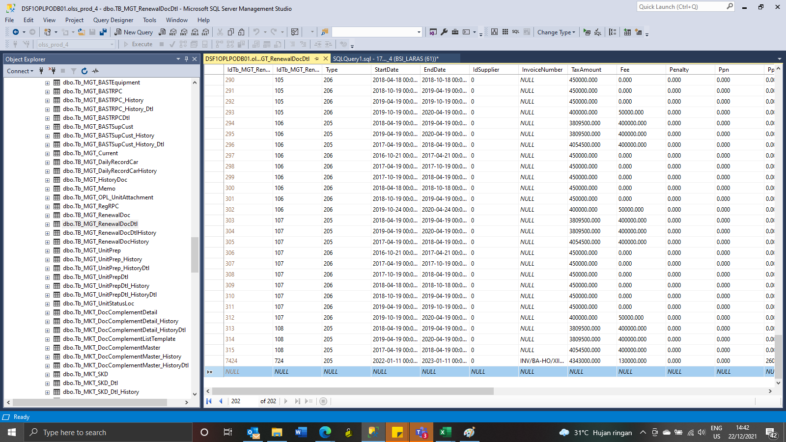
Insert TB_MGT_RenewalDocDtl

